Script
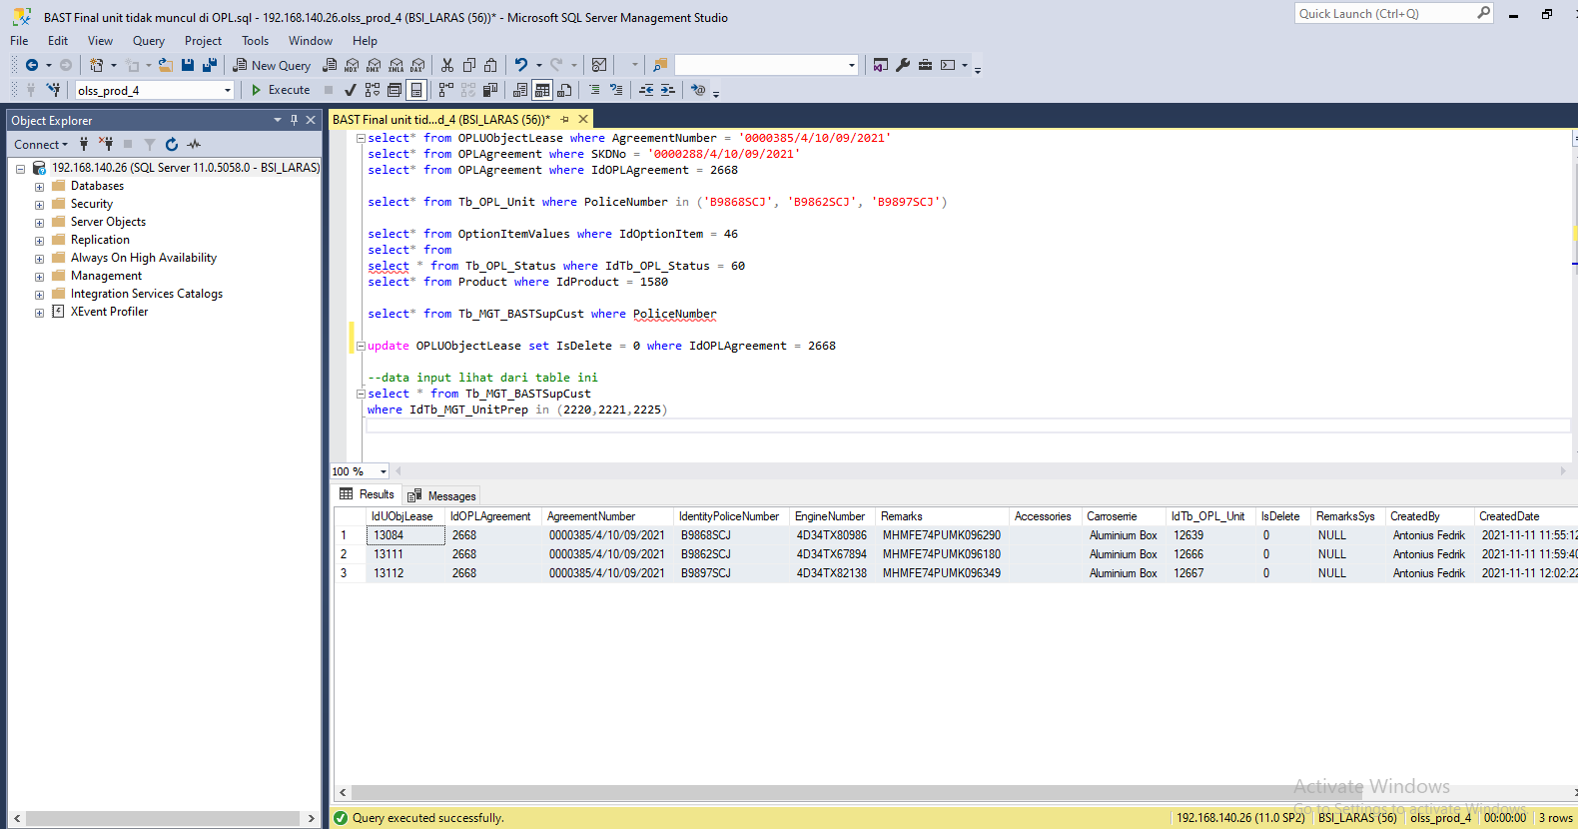
insert tb OPLUObjectLease

update OPLUObjectLease set IsDelete = 0 where IdOPLAgreement = 2668

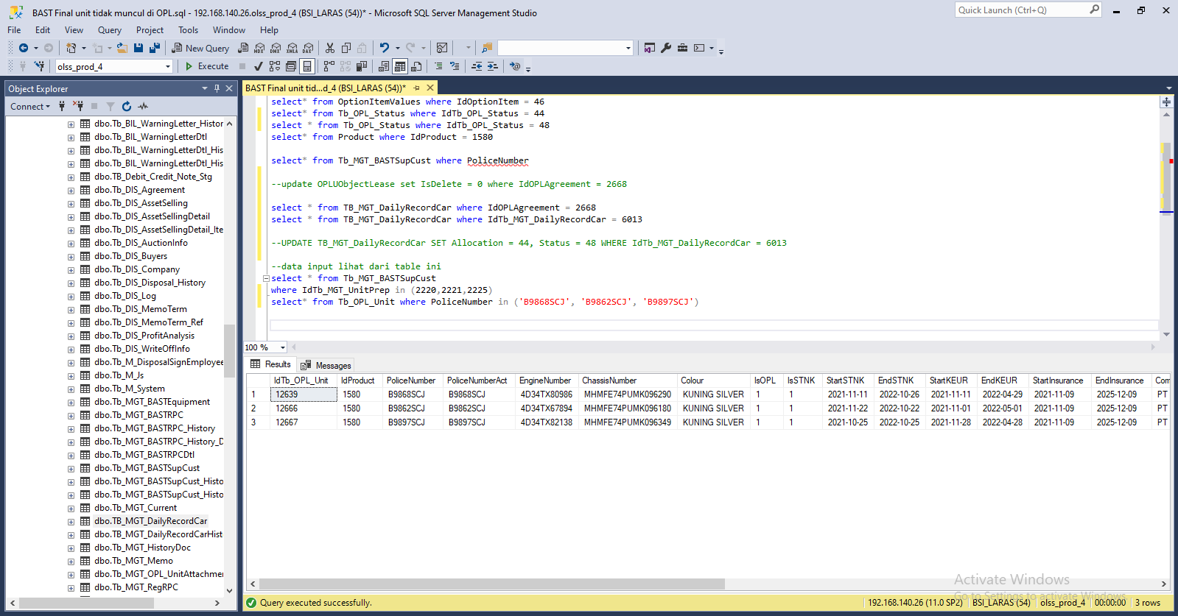

INSERT Tb_OPL_Unit

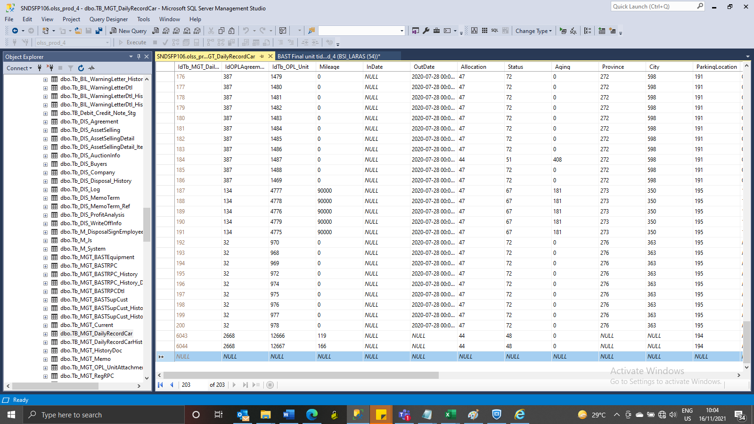
INSERT TB_MGT_DailyRecordCar

UPDATE TB_MGT_DailyRecordCar SET Allocation = 44, Status = 48 WHERE IdTb_MGT_DailyRecordCar = 6013

SS
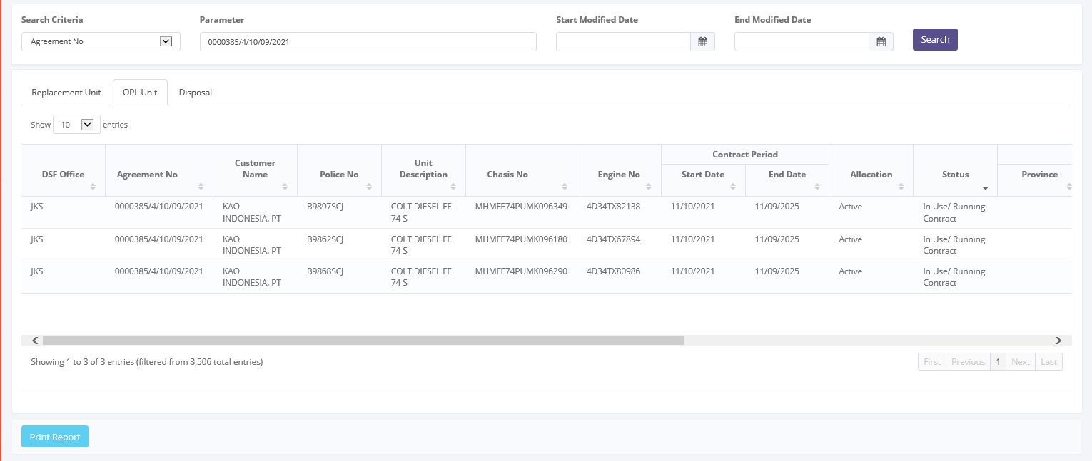
BEFORE

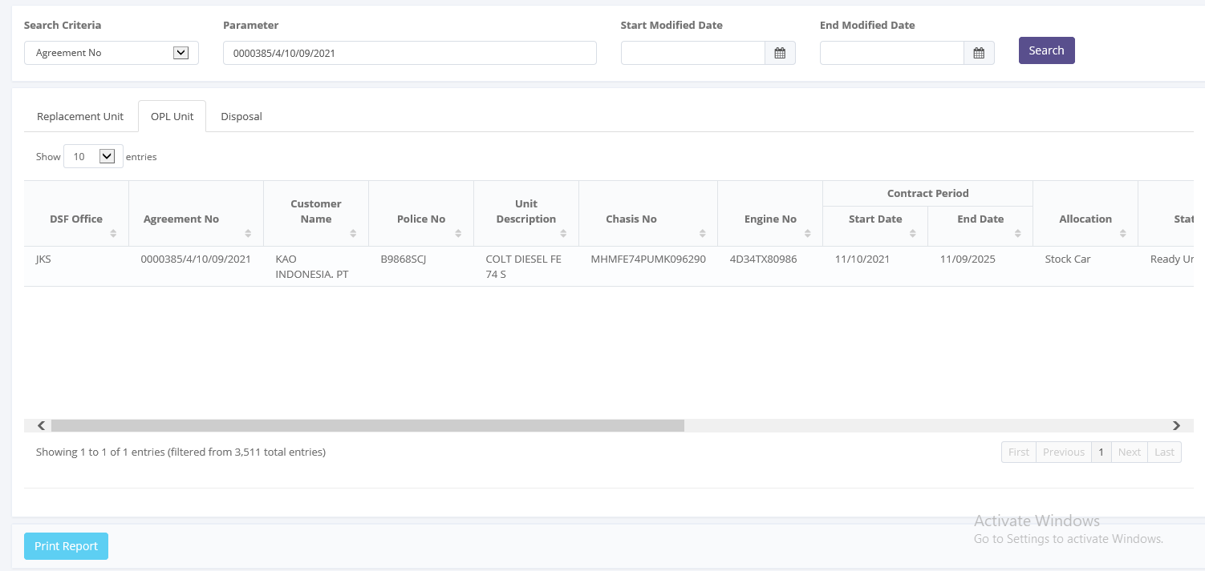

AFTER

